Ark1
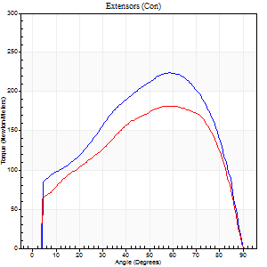
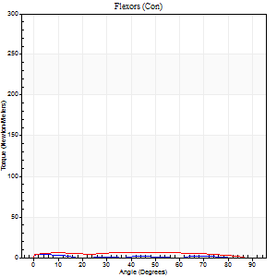
Use File, Preference to set Report Heading
Long Form Torque vs. Position Report - Knee Extension/Flexion
Name: |  |  |  | Deltager_10, | ID: | Deltager | Right/Left: | 25.09.2025 25.09.2025

Right Side Curves Left Side Curves
Isokinetic Con/Con |  |  |  | Extensors (Con) |  | Flexors (Con)
Speed 60/60 d/s 3 Reps |  |  |  | Value | Cof Var | %BW | Value | Cof Var | %BW | Ratio

TORQUE PARAMETERS
Peak Torque (Newton-Meters - Best Repetition)
Right |  |  |  | 224 | 0.03 | 349 | 4 | 0.14 | 6 | 2
Left |  |  |  | 182 | 0.02 | 283 | 7 | 0.15 | 12 | 4
Deficit |  |  |  | 19 |  |  | 40
Work per Repetition (Newton-Meters - Best Repetition)
Right |  |  |  | 239 | 0.03 | 373 | 3 | 0.17 | 3 | 1
Left |  |  |  | 198 | 0.03 | 310 | 8 | 0.77 | 12 | 4
Deficit |  |  |  | 17 |  |  | 67
Average Power per Repetition (Watts - Best Repetition)
Right |  |  |  | 151 | 0.04 | 235 | 1 | 0.29 | 2 | 1
Left |  |  |  | 126 | 0.03 | 196 | 5 | 0.86 | 9 | 4
Deficit |  |  |  | 17 |  |  | 80
POSITION PARAMETERS
Joint Angle at Peak Torque (Degrees)
Right |  |  |  | 57 | 0.04 |  | 19 | 0.86
Left |  |  |  | 60 | 0.09 |  | 45 | 0.95
Range of Motion (Degrees)
Right |  |  |  | 0 | -0.28 |  | 90 | 0
Left |  |  |  | 0 | 0 |  | 90 | 0
TIME PARAMETERS
Time to Peak Torque (Seconds)
Right |  |  |  | 0.59 | 0.07 |  | 0.67 | 0.66
Left |  |  |  | 0.56 | 0.1 |  | 1.02 | 0.93
Time Peak Torque Held (Seconds)
Right |  |  |  | 0.05 | 0.4 |  | 0.03 | 1.48
Left |  |  |  | 0.11 | 0.35 |  | 0.05 | 0.87
Force Decay Time (Seconds)
Right |  |  |  | 0.95 | 0.03 |  | 1.5 | 0.37
Left |  |  |  | 0.95 | 0.06 |  | 0.71 | 1.23
Reciprocal Delay (Seconds)
Right |  |  |  | 0.35 | 0 |  | 0.84 | 0.18
Left |  |  |  | 0.31 | 0.11 |  | 0.61 | 0.09
Delay Time (Seconds)
Right |  |  |  | 0 | -1.41 |  | -0.07 | -0.28
Left |  |  |  | 0 | -1.41 |  | -0.05 | -0.33
HUMAC2015® Version: 15.000.0074 © Computer Sports Medicine, Inc. www.csmisolutions.com

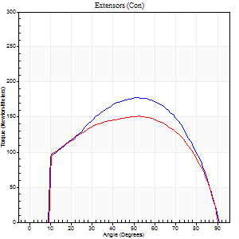
Use File, Preference to set Report Heading
Long Form Torque vs. Position Report - Knee Extension/Flexion
Name: |  |  |  | Deltager_10, | ID: | Deltager | Right/Left: | 25.09.2025 25.09.2025
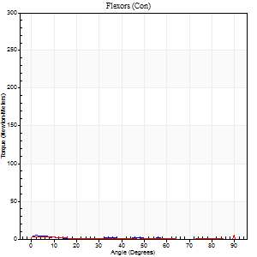
Right Side Curves Left Side Curves
Isokinetic Con/Con |  |  |  | Extensors (Con) |  | Flexors (Con)
Speed 120/120 d/s 3 Reps |  |  |  | Value | Cof Var | %BW | Value | Cof Var | %BW | Ratio

TORQUE PARAMETERS
Peak Torque (Newton-Meters - Best Repetition)
Right |  |  |  | 178 | 0.03 | 277 | 4 | 0.26 | 6 | 2
Left |  |  |  | 151 | 0.01 | 235 | 9 | 0.33 | 15 | 6
Deficit |  |  |  | 15 |  |  | 57
Work per Repetition (Newton-Meters - Best Repetition)
Right |  |  |  | 191 | 0.01 | 298 | 1 | 0.09 | 3 | 1
Left |  |  |  | 171 | 0.05 | 265 | 1 | 0.18 | 3 | 1
Deficit |  |  |  | 11 |  |  | 0
Average Power per Repetition (Watts - Best Repetition)
Right |  |  |  | 214 | 0 | 334 | 1 | 0.24 | 2 | 0
Left |  |  |  | 195 | 0.05 | 303 | 1 | 0.35 | 2 | 1
Deficit |  |  |  | 9 |  |  | 0
POSITION PARAMETERS
Joint Angle at Peak Torque (Degrees)
Right |  |  |  | 48 | 0.07 |  | 3 | 0.32
Left |  |  |  | 52 | 0.06 |  | 32 | 1.55
Range of Motion (Degrees)
Right |  |  |  | 0 | -0.47 |  | 90 | 0
Left |  |  |  | 0 | 0 |  | 90 | 0
TIME PARAMETERS
Time to Peak Torque (Seconds)
Right |  |  |  | 0.41 | 0.02 |  | 0.19 | 0.27
Left |  |  |  | 0.37 | 0.08 |  | 0.76 | 1.37
Time Peak Torque Held (Seconds)
Right |  |  |  | 0.03 | 0.17 |  | 0 | 0
Left |  |  |  | 0.03 | 0.43 |  | 0.03 | 0.57
Force Decay Time (Seconds)
Right |  |  |  | 0.45 | 0.06 |  | 1.72 | 0.18
Left |  |  |  | 0.48 | 0.05 |  | 0.92 | 1.08
Reciprocal Delay (Seconds)
Right |  |  |  | 0.3 | 0.02 |  | 0.73 | 0.05
Left |  |  |  | 0.32 | 0.15 |  | 0.77 | 0.23
Delay Time (Seconds)
Right |  |  |  | -0.01 | -0.47 |  | -0.06 | -0.4
Left |  |  |  | -0.01 | -1.41 |  | -0.08 | -0.76
HUMAC2015® Version: 15.000.0074 © Computer Sports Medicine, Inc. www.csmisolutions.com

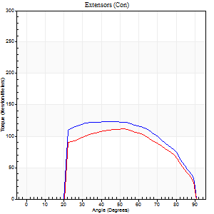
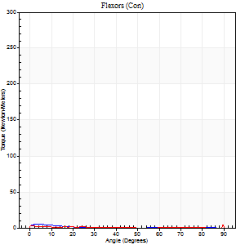
Use File, Preference to set Report Heading
Long Form Torque vs. Position Report - Knee Extension/Flexion
Name: |  |  |  | Deltager_10, | ID: | Deltager | Right/Left: | 25.09.2025 25.09.2025

Right Side Curves Left Side Curves
Isokinetic Con/Con |  |  |  | Extensors (Con) |  | Flexors (Con)
Speed 240/240 d/s 3 Reps |  |  |  | Value | Cof Var | %BW | Value | Cof Var | %BW | Ratio

TORQUE PARAMETERS
Peak Torque (Newton-Meters - Best Repetition)
Right |  |  |  | 123 | 0.03 | 194 | 5 | 0.17 | 9 | 4
Left |  |  |  | 111 | 0.01 | 173 | 5 | 0.33 | 9 | 5
Deficit |  |  |  | 10 |  |  | 0
Work per Repetition (Newton-Meters - Best Repetition)
Right |  |  |  | 126 | 0.02 | 197 | 1 | 0.14 | 3 | 1
Left |  |  |  | 110 | 0.01 | 170 | 1 | 0.13 | 3 | 1
Deficit |  |  |  | 13 |  |  | 0
Average Power per Repetition (Watts - Best Repetition)
Right |  |  |  | 224 | 0.02 | 349 | 1 | 0.32 | 2 | 0
Left |  |  |  | 197 | 0.02 | 308 | 1 | 0.39 | 2 | 1
Deficit |  |  |  | 12 |  |  | 0
POSITION PARAMETERS
Joint Angle at Peak Torque (Degrees)
Right |  |  |  | 47 | 0.05 |  | 3 | 0.7
Left |  |  |  | 51 | 0.03 |  | 31 | 1.61
Range of Motion (Degrees)
Right |  |  |  | 0 | -0.2 |  | 90 | 0
Left |  |  |  | 0 | -0.28 |  | 90 | 0
TIME PARAMETERS
Time to Peak Torque (Seconds)
Right |  |  |  | 0.25 | 0.06 |  | 0.17 | 0.28
Left |  |  |  | 0.22 | 0.03 |  | 0.81 | 1.29
Time Peak Torque Held (Seconds)
Right |  |  |  | 0.02 | 0.35 |  | 0 | 1.73
Left |  |  |  | 0.02 | 0 |  | 0 | 0
Force Decay Time (Seconds)
Right |  |  |  | 0.29 | 0.02 |  | 1.52 | 0.21
Left |  |  |  | 0.31 | 0.02 |  | 0.93 | 1.05
Reciprocal Delay (Seconds)
Right |  |  |  | 0.25 | 0.09 |  | 0.92 | 0.07
Left |  |  |  | 0.28 | 0.25 |  | 0.84 | 0.1
Delay Time (Seconds)
Right |  |  |  | -0.02 | 0 |  | -0.06 | -0.09
Left |  |  |  | -0.02 | 0 |  | -0.1 | -0.24
HUMAC2015® Version: 15.000.0074 © Computer Sports Medicine, Inc. www.csmisolutions.com

Use File, Preference to set Report Heading
Isometric - Knee Extension/Flexion
Name: |  |  |  | Deltager_10, | ID: | Deltager | Right/Left: | 25.09.2025 25.09.2025

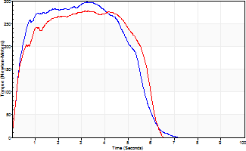
Isometric Extensors (Con) Angle 60 Time 10 Repetition 2 (Best Repetition)
 | Value | Cof Var | %BW
Peak Torque (Newton-Meters)
Right | 297 | 0.1 | 462
Left | 277 | 0.01 | 432
Deficit | 7
Average Torque (Newton-Meters)
Right | 144 | 0.12 | 224
Left | 142 | 0.06 | 221
Deficit | 1
Peak Torque Slope (Newton-Meters/Seconds)
Right | 115 | 0.15 | 179
Left | 90 | 0.01 | 141 |  | Right Side Curves Left Side Curves
Deficit | 21
Time to Half Peak Torque (Seconds)
Right | 0.28 | 0.13
Left | 0.33 | 0.21
Time to Peak Torque (Seconds)
Right | 2.73 | 0.25
Left | 3.07 | 0.02
HUMAC2015® Version: 15.000.0074 © Computer Sports Medicine, Inc. www.csmisolutions.com

